Home


 |  |  | TELENET - INVESTOR & ANALYST TOOLKIT Q1 2018

TABLE OF CONTENT

 | DEFINITIONS |  |  | MULTIPLE-PLAY

 | REBASED FY 2017 |  |  | WIGO

 | INCOME STATEMENT |  |  | PAY TELEVISION

 | ADJUSTED EBITDA |  |  | MOBILE

 | CASH FLOW STATEMENT |  |  | GROUP STRUCTURE

 | STATEMENT OF FINANCIAL POSITION |  |  | SHAREHOLDER STRUCTURE

 | CAPITAL EXPENDITURES |  |  | DEBT PROFILE

 | OPERATING STATISTICS |  |  | NET LEVERAGE RATIO

 | OUTLOOK 2018 |  |  | ANALYST COVERAGE

 | BROADBAND SPECS |  |  | REPORTING CALENDAR

INVESTOR & ANALYST CONTACT

 |  | Rob Goyens |  |  | Dennis Dendas

 |  | Vice-President Treasury, Investor Relations & Structured Finance |  |  | Investor Relations Analyst
 |  | rob.goyens@telenetgroup.be |  |  | dennis.dendas@telenetgroup.be
 |  | Phone: +32 15 333 054 |  |  | Phone: +32 15 332 142

 |  | Bart Boone |  |  | Martine Van Dromme

 |  | Manager Investor Relations |  |  | Corporate Access
 |  | bart.boone@telenetgroup.be |  |  | martine.van.dromme@telenetgroup.be
 |  | Phone: +32 15 484 006 371 |  |  | Phone: +32 15 332 159

Group structure
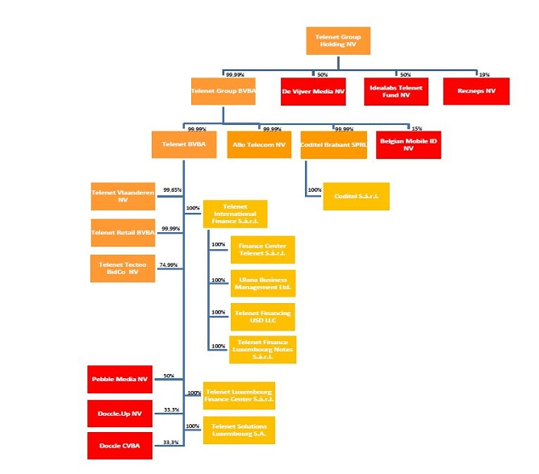
Group structure
The structure of the Telenet Group as of April 11, 2018 is the following:
 | Return to Home page

